Attestation
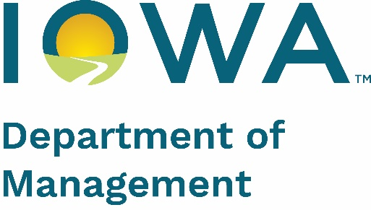 | Exhibit N NOFA #009 ESL Update Form Due July 30, 2025
Attestation of Service to Elibile Service Locations (ESLs)
Iowa's Broadband Map V6 is based out of the FCC's Fabric v5 and the June 2024 availability data. To submit ESLs where you have built service (or is a non-serviceable location) since the June, 2024 BDC submission, complete both tabs of this form and create a PDF file of evidence to support your claim. ONLY those ESLs where service is currently available or are non-serviceable locations, will be accepted. Do not send ESLs that are believed to be part of a previous award. If you believe there are ESLs on Map v6 that were awarded through a previous grant, please reach out to broadband@dom.iowa.gov with some example locations for DOM to verify. To complete the Service Locations tab, select the ESL's that you are updating using the Map Selection Tool. Follow the instructions in Exhibit K to select locations and export to CSV. Then, copy/paste the location data directly into the Service Locations tab. In column R, you will select the FCC reporting window where the location(s) were/will be submitted (December 2024 or June 2025). In column S, you will select the applicable reason code: 1 - No Broadband Connection - Location should not have a broadband connection (i.e., barn, hay bale, or rock) 5 - Served by Non-Subsidized Service - Location is already served by non-subsidized service (i.e., a network built by an ISP with private funds) Email this completed Excel form and the Evidence PDF to broadband@dom.iowa.gov with "NOFA #009 Location Challenge" in the subject line. For providers claiming to facilitate service to one or more ESL(s), only the following will be sufficient evidence of build out: 1. The FCC Broadband Data Collection (BDC) availability report as submitted to the FCC "as-of" December, 2024, or 2. The FCC BDC availability report that will be submitted to the FCC for the June, 2025 submission and the Network As-Built Plan. NOTE: Include ONLY locations to which service is being provided by the organization you represent or is a non-serviceable location as of t
A. ORGANIZATION INFORMATION
FCC FRN
FCC Provider ID (6-digits) https://us-fcc.app.box.com/v/bdcprovideridtable
Company Name
Address
City
State
Zip
B. DESIGNATED CONTACT INFORMATION
Contact Name
Contact Phone Number
Contact Email
C. DATE OF FCC Broadband Data Collection (BDC) REPORTING
Date
D. EXPLANATION
To the extent you believe additional explanation is required to ensure that you are communicating full and accurate information, you may provide narrative to further support your build-out claim. An Affirmation submitted without sufficient and probative evidence may be inadequate to change the eligibility status of any given location.

E. AFFIRMATION
By signing and submitting this form, the authorized representative attests that to the best of the authorized representatives knowledge and belief, the information submitted through this build-out form is true and accurate, and the form is signed under the pains and penalties of perjury. By typing your name, you are affixing your signature to this form and attesting to the accuracy of the information submitted herein.
Authorized Signature:
Title:
Date:

