Instructions
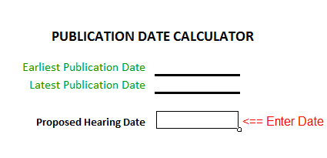
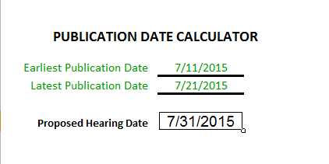
AMENDMENT PROCESS
NOTICE OF PUBLIC HEARING, AMENDMENT OF CURRENT CITY BUDGET: (Form 653.C1)
The Budget Amendment Instructions may be printed.
The Budget Amendment Form follows the same format as the Notice of Public Hearing on the original budget. HOWEVER, the amendment form IS NOT required to be submitted electroncially. Budget amendment forms should be downloaded yearly from the Department of Management website - www.dom.state.ia.us/local/city/index.html.
Amendments are made to total program budgeted amounts adopted in the original budget certification or each subsequent amended budget. The first column of the notice entitled "Total Budget as Certified or Last Amended" will be automatically filled in with the information taken from the current budget for the first amendment of the year. For all subsequent amendments, the "Total Budget after Current Amendment" figures from the previous amendment will need to be entered manually. The only information required in the middle column entitled "Current Amendment" are the changes being made to the budget. All the boxes in the third column entitled "Total Budget after Current Amendment" establish the total budget after amendment and will be filled automatically by formula.
The "Amended Hearing Notice" is the form in which all data is entered. The first column is from the original budget or, if an amendment has already been done, it comes from the third column ("Total Budget after Current Amendment") of the previous amendment. The second column is for any changes either revenues or expenditures. The third column does the math and adds the value in the first column with the second column to arrive at the new revenue amount of total spending authority for a program or programs. To reduce a revenue or expenditure, simply enter a negative value in the second column in the amount you wish to lower that revenue or expenditure.
Again, a budget will have to be amended only if the budgeted expenditures for a ---PROGRAM --- or FUNCTION: (PUBLIC SAFETY, PUBLIC WORKS, HEALTH AND SOCIAL SERVICES, CULTURE AND RECREATION, COMMUNITY & ECONOMIC DEVELOPMENT, GENERAL GOVERNMENT, DEBT SERVICE, CAPITAL PROJECTS, BUSINESS TYPE ACTIVITIES) will exceed the amount originally budgeted FOR THAT PROGRAM.....
An amendment may not be necessary if only the budgeted expenditures for an individual capital project will be exceeded. The budget for the PROGRAM or FUNCTION is the controlling factor in determining if a budget amendment is needed.
Publication requirements for Amendments: Publication requirements are the same as for the annual budget: not less than 10 days nor more than 20 days BEFORE the date set for public hearing. For pubilishing cities (cities with a population over 200 as of the last official census), a file ready to be sent to the publisher can be created on the Amend Notice Min. Newspaper tab. This file will be formatted to meet the minimum publication guidelines for public notices. Pushing the "Publish Notice" button on the Amend Notice Min. Newspaper tab will create a seperate Excel workbook file in the same folder as the budget amendment, whcih can be printed or emailed.
After the hearing has been held, complete the Amended Certification Resolution. Minor changes may occur, but the total expenditures FOR THE PROGRAM shall not be greater than the amount published. Be sure the city clerk and mayor have signed all places where their signatures are required.
Forward 2 PAPER copies of the certification resolution and one proof of publication (posted notice for cities under 200 population) to your county auditor as soon as possible after the hearing. The county auditor will forward one paper copy of the certification resolution to the Director of the Department of Management.

FILLING OUT THE FORMS
To fill out the amendment forms, basic financial and city amendment hearing information must be entered on the Amended Hearing Notice tab. The information from this tab will flow through to all other tabs.
AMENDED HEARING NOTICE tab
The first item to be input at the top of the Amended Hearing Notice tab is the name of the city whose budget is to be amended with these forms. Onec the city name is entered, the county name(s) in which the city resides will automatically fill to the top center of the form. On the second line down at the top of the Amended Hearing Notice tab the place where the City Council will be meeting to consider this amendment. The third line from the top of the form contains two blanks. The first is for the time at which the hearing will be held (be sure to include AM or PM). The second blank is for the date of the hearing. Please enter this date in the MM/DD/YYYY format.
Immediately below the spaces for the time and date of the public hearing is a blank space following "June 30,". In this blank please enter the fiscal year of the budget that is being amended. For example, if the July 1, 2015 through June 30, 2016 budget was being amended, the year to input would be 2016.


In the yellow box to the right of the public hearing information is a dropdown menu for selecting which amendment of the year this is. Cities are allowed to amend their budget as many times as needed during a fiscal year, so one of the functions of this dropdown is to track the number of amendments. The second function is to prompt the form to autofill the "Total budget as certified or last amended" column.

For the first amendment of the year, the "Total budget as certified or last amended" will be automatically filled in from the budget data obtained from the budget submitted in March. For each succeeding amendment, the city is required to fill this information in from the "Total budget after current amendment" column on the previous certified amendment for the fiscal year.

The "Current Amendment" column is where any increases in revenues & expenditures should be entered. This is where the actual changes that necessitated the amendment should be shown. Any adjustments to the beginning fund balance to get the budgeted beginning fund balance to match the actual balance on July 1st should also be entered in the "Current Amendment" column. Enter all amounts as positive, whole dollar amounts. The right most column, "Total Budget after Current Amendment", is the restated budget with the amended totals included. This column will represent the budgeted amounts that the city will use as the adopted budget for the rest of the fiscal year.
At the bottom of the Amended Hearing Notice tab is a space for the city to write in the reason that an amendment was necessary. Give as thorough an explanation of the changes that are being made in the limited space available. Directly below the explanation of amendment blank is a space for the city clerk or responsible budget officer to type in their name. Both of these blanks must be completed, as they are displayed on the hearing notice that is published or posted for citizens.

AMEND NOTICE MIN NEWSPAPER tab
The Amend Notice Min Newspaper tab is intended to create a separate Excel file that can be emailed or printed and taken to the local newspaper for publishing. This page is an exact copy of the Amended Hearing Notice tab, except that it has been reduced in size to meet the minimum requirements for a published public notice under the Iowa Code. To create the separate Excel file for sending to the publisher, click on the "Publish Form" button.

Once the button has been clicker, a new file will be created and saved to the same folder that the amendment file is in. The name and location of the new file will appear in a pop-up box on screen.
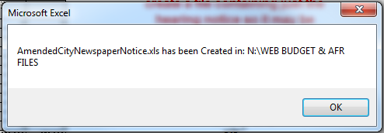
The Min Newspaper notice form can also be printed in the same manner as any other tab in Excel, by going to the file tab and selecting "Print…" (2010 &2013), going to the Office Button and selecting "Print…" (2007), or Selecting "Print…" from the File menu (2003 & earlier).

AMENDED CERTIFICATION tab
The Amended Certification page is completed after the public hearing has been held, and the budget amendment has been adopted via resolution by the City Council. Most of the Amended Certification tab will populate from the Amended Hearing Notice tab. There are a few blanks at the top of the page and few blanks at the bottom of the page that need to be filled in. At the top of the page, the number of the resolution that adopted the amendment should be entered

Just below the blank for the resolution number are three blanks that require dates to be entered. The first blank should be filled by the date the previous budget or amendment of the budget was adopted. The date that the notice of public hearing was published or posted should be entered in the second blank. The third blank should be filled by the date that the public hearing took place.

At the bottom of the page, the date that the amendment adoption was completed should be entered. The first blank the day of the month should be entered. The second blank should be filled with the month and year. This date may be the same or may be different that the public hearing date. An amendment to the budget can be adopted anytime after the public hearing.

PUBLICATION DAY CALCULATOR
To assist in the calculation of the hearing notice period (not less than 10, no more than 20 days prior to the hearing date) a publication calculator has been added to the budget amendment forms. The Publication Day Calculator will give you the 10th and 20th day prior to the hearing date, so that you will know for sure that your publication/posting is with in the legal parameters. Simply enter the date that the city is planning on holding the budget amendment public hearing, and the earliest and latest dates that you can publish/post the notice will appear above.

